Planilha1
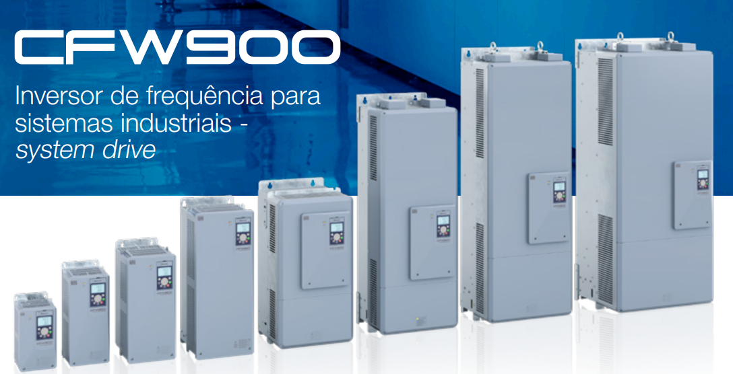
Material | Descrição | mecanica | peso | corrente | tensao | Linha TF
17329012 | INVERSOR CFW900C32P0T5DB20Y2B | C | 18,000 | 32 | 575 | F13 | F13 | TRUE
17327410 | INVERSOR CFW900C32P0T5DB20Y2 | C | 18,000 | 32 | 575 | F13 | F13 | TRUE | C,D,E
17329015 | INVERSOR CFW900C44P0T5DB20Y2B | C | 18,000 | 44 | 575 | F13 | F13 | TRUE
17327412 | INVERSOR CFW900C44P0T5DB20Y2 | C | 18,000 | 44 | 575 | F13 | F13 | TRUE
17329125 | INVERSOR CFW900C54P0T5DB20Y2B | C | 18,000 | 54 | 575 | F13 | F13 | TRUE
17327413 | INVERSOR CFW900C54P0T5DB20Y2 | C | 18,000 | 54 | 575 | F13 | F13 | TRUE
18422961 | INVERSOR CFW900C62P0T4DB20Y2B | C | 18,500 | 62 | 440 | F13 | F13 | TRUE
18522850 | INVERSOR CFW900C62P0T4DB20Y2BHEC | C | 18,500 | 62 | 440 | F13 | F13 | TRUE
15414335 | INVERSOR CFW900C62P0T4DB20Y2B | C | 18,500 | 62 | 440 | F13 | F13 | TRUE
18522632 | INVERSOR CFW900C50P0T4DB20Y2BHEC | C | 20,500 | 50 | 440 | F13 | F13 | TRUE
18422657 | INVERSOR CFW900C50P0T4DB20Y2B | C | 20,500 | 50 | 440 | F13 | F13 | TRUE
18422959 | INVERSOR CFW900C50P0T4DB20Y2 | C | 20,500 | 50 | 440 | F13 | F13 | TRUE
15414333 | INVERSOR CFW900C50P0T4DB20Y2B | C | 20,500 | 50 | 440 | F13 | F13 | TRUE
15735604 | INVERSOR CFW900C50P0T4DB20Y2 | C | 20,500 | 50 | 440 | F13 | F13 | TRUE
15414328 | INVERSOR CFW900C56P0T2DB20Y2B | C | 20,500 | 56 | 220 | F13 | F13 | TRUE
15734724 | INVERSOR CFW900C56P0T2DB20Y2 | C | 20,500 | 56 | 220 | F13 | F13 | TRUE
18422962 | INVERSOR CFW900C62P0T4DB20Y2 | C | 20,500 | 62 | 440 | F13 | F13 | TRUE
15735605 | INVERSOR CFW900C62P0T4DB20Y2 | C | 20,500 | 62 | 440 | F13 | F13 | TRUE
15414329 | INVERSOR CFW900C70P0T2DB20Y2B | C | 20,500 | 70 | 220 | F13 | F13 | TRUE
15735599 | INVERSOR CFW900C70P0T2DB20Y2 | C | 20,500 | 70 | 220 | F13 | F13 | TRUE
17472690 | INVERSOR CFW900C74P0T4DB20Y2HEC | C | 20,500 | 74 | 440 | F13 | F13 | TRUE
18422963 | INVERSOR CFW900C74P0T4DB20Y2B | C | 20,500 | 74 | 440 | F13 | F13 | TRUE
18422967 | INVERSOR CFW900C74P0T4DB20Y2 | C | 20,500 | 74 | 440 | F13 | F13 | TRUE
18457667 | INVERSOR CFW900C74P0T4DB20Y2HEC | C | 20,500 | 74 | 440 | F13 | F13 | TRUE
15414337 | INVERSOR CFW900C74P0T4DB20Y2B | C | 20,500 | 74 | 440 | F13 | F13 | TRUE
15735607 | INVERSOR CFW900C74P0T4DB20Y2 | C | 20,500 | 74 | 440 | F13 | F13 | TRUE
15414331 | INVERSOR CFW900C80P0T2DB20Y2B | C | 20,500 | 80 | 220 | F13 | F13 | TRUE
15735600 | INVERSOR CFW900C80P0T2DB20Y2 | C | 20,500 | 80 | 220 | F13 | F13 | TRUE
17830389 | INVERSOR CFW900D02P9T6DB20Y2B | D | 33,500 | 2.9 | 690 | F13 | F13 | TRUE
18412323 | INVERSOR CFW900D02P9T6DB20Y2 | D | 33,500 | 2.9 | 690 | F13 | F13 | TRUE
17838425 | INVERSOR CFW900D02P9T6NB20Y2B | D | 33,500 | 2.9 | 690 | F13 | F13 | TRUE
18414778 | INVERSOR CFW900D02P9T6NB20Y2 | D | 33,500 | 2.9 | 690 | F13 | F13 | TRUE
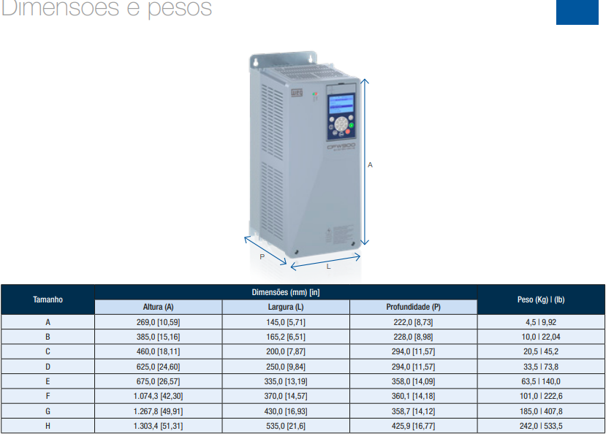
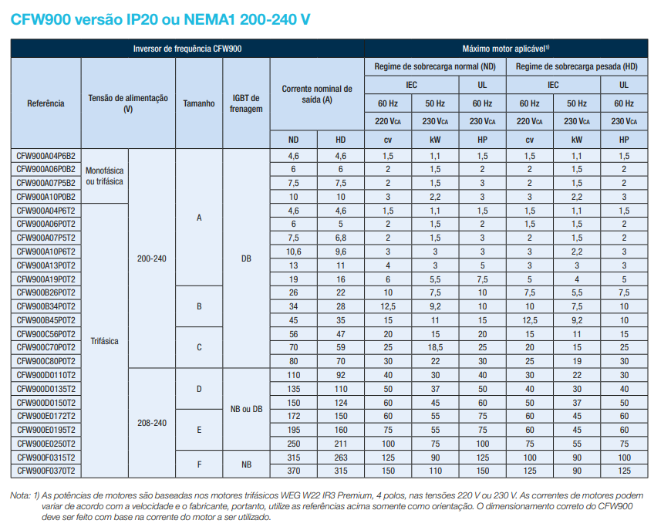
18412324 | INVERSOR CFW900D04P2T6DB20Y2 | D | 33,500 | 4.2 | 690 | F13 | F13 | TRUE
17837715 | INVERSOR CFW900D04P2T6DB20Y2B | D | 33,500 | 4.2 | 690 | F13 | F13 | TRUE
17838427 | INVERSOR CFW900D04P2T6NB20Y2B | D | 33,500 | 4.2 | 690 | F13 | F13 | TRUE
18414779 | INVERSOR CFW900D04P2T6NB20Y2 | D | 33,500 | 4.2 | 690 | F13 | F13 | TRUE
17838061 | INVERSOR CFW900D07P0T6DB20Y2B | D | 33,500 | 7 | 690 | F13 | F13 | TRUE
18412326 | INVERSOR CFW900D07P0T6DB20Y2 | D | 33,500 | 7 | 690 | F13 | F13 | TRUE
17838528 | INVERSOR CFW900D07P0T6NB20Y2B | D | 33,500 | 7 | 690 | F13 | F13 | TRUE
18414784 | INVERSOR CFW900D07P0T6NB20Y2 | D | 33,500 | 7 | 690 | F13 | F13 | TRUE
17838063 | INVERSOR CFW900D10P0T6DB20Y2B | D | 33,500 | 10 | 690 | F13 | F13 | TRUE
18412538 | INVERSOR CFW900D10P0T6DB20Y2 | D | 33,500 | 10 | 690 | F13 | F13 | TRUE
17838530 | INVERSOR CFW900D10P0T6NB20Y2B | D | 33,500 | 10 | 690 | F13 | F13 | TRUE
18414785 | INVERSOR CFW900D10P0T6NB20Y2 | D | 33,500 | 10 | 690 | F13 | F13 | TRUE
18412540 | INVERSOR CFW900D12P0T6DB20Y2 | D | 33,500 | 12 | 690 | F13 | F13 | TRUE
17838064 | INVERSOR CFW900D12P0T6DB20Y2B | D | 33,500 | 12 | 690 | F13 | F13 | TRUE
17838531 | INVERSOR CFW900D12P0T6NB20Y2B | D | 33,500 | 12 | 690 | F13 | F13 | TRUE
18414787 | INVERSOR CFW900D12P0T6NB20Y2 | D | 33,500 | 12 | 690 | F13 | F13 | TRUE
17838066 | INVERSOR CFW900D17P0T6DB20Y2B | D | 33,500 | 17 | 690 | F13 | F13 | TRUE
18412542 | INVERSOR CFW900D17P0T6DB20Y2 | D | 33,500 | 17 | 690 | F13 | F13 | TRUE
17838532 | INVERSOR CFW900D17P0T6NB20Y2B | D | 33,500 | 17 | 690 | F13 | F13 | TRUE
18414898 | INVERSOR CFW900D17P0T6NB20Y2 | D | 33,500 | 17 | 690 | F13 | F13 | TRUE
17838288 | INVERSOR CFW900D22P0T6DB20Y2B | D | 33,500 | 22 | 690 | F13 | F13 | TRUE
18412466 | INVERSOR CFW900D22P0T6DB20Y2 | D | 33,500 | 22 | 690 | F13 | F13 | TRUE
17838534 | INVERSOR CFW900D22P0T6NB20Y2B | D | 33,500 | 22 | 690 | F13 | F13 | TRUE
18414901 | INVERSOR CFW900D22P0T6NB20Y2 | D | 33,500 | 22 | 690 | F13 | F13 | TRUE
17838290 | INVERSOR CFW900D27P0T6DB20Y2B | D | 33,500 | 27 | 690 | F13 | F13 | TRUE
18412942 | INVERSOR CFW900D27P0T6DB20Y2 | D | 33,500 | 27 | 690 | F13 | F13 | TRUE
17838535 | INVERSOR CFW900D27P0T6NB20Y2B | D | 33,500 | 27 | 690 | F13 | F13 | TRUE
18414903 | INVERSOR CFW900D27P0T6NB20Y2 | D | 33,500 | 27 | 690 | F13 | F13 | TRUE
17838291 | INVERSOR CFW900D32P0T6DB20Y2B | D | 33,500 | 32 | 690 | F13 | F13 | TRUE
18412944 | INVERSOR CFW900D32P0T6DB20Y2 | D | 33,500 | 32 | 690 | F13 | F13 | TRUE
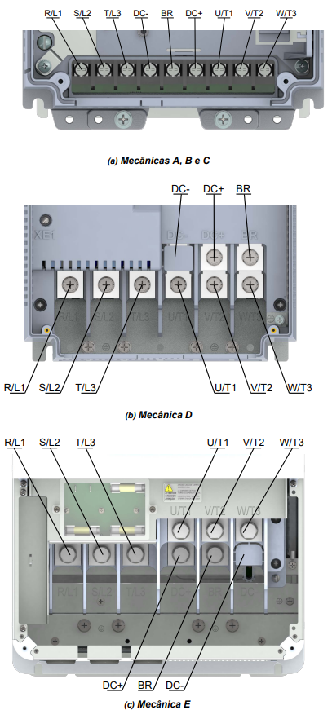
17838798 | INVERSOR CFW900D32P0T6NB20Y2B | D | 33,500 | 32 | 690 | F13 | F13 | TRUE
18414904 | INVERSOR CFW900D32P0T6NB20Y2 | D | 33,500 | 32 | 690 | F13 | F13 | TRUE
17838292 | INVERSOR CFW900D44P0T6DB20Y2B | D | 33,500 | 44 | 690 | F13 | F13 | TRUE
18412946 | INVERSOR CFW900D44P0T6DB20Y2 | D | 33,500 | 44 | 690 | F13 | F13 | TRUE
17839145 | INVERSOR CFW900D44P0T6NB20Y2B | D | 33,500 | 44 | 690 | F13 | F13 | TRUE
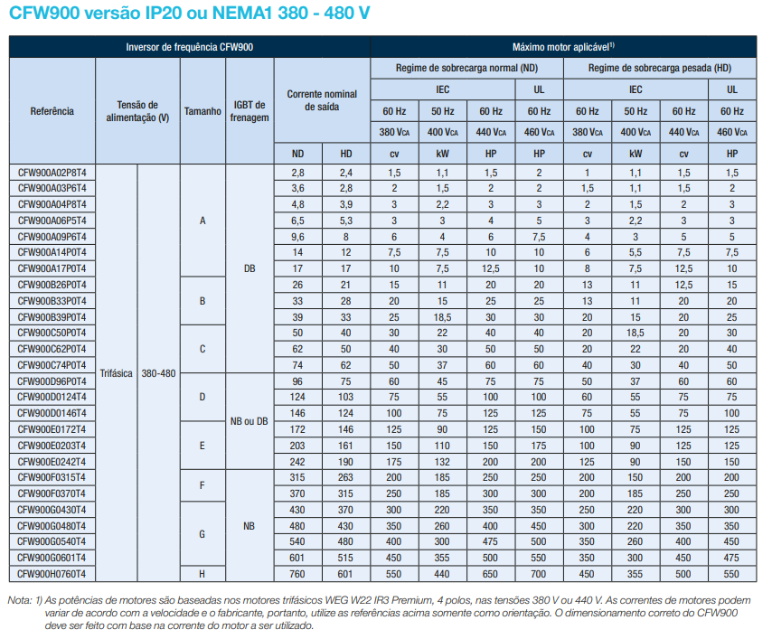
18414906 | INVERSOR CFW900D44P0T6NB20Y2 | D | 33,500 | 44 | 690 | F13 | F13 | TRUE
17838295 | INVERSOR CFW900D54P0T6DB20Y2B | D | 33,500 | 54 | 690 | F13 | F13 | TRUE
18412947 | INVERSOR CFW900D54P0T6DB20Y2 | D | 33,500 | 54 | 690 | F13 | F13 | TRUE
17839146 | INVERSOR CFW900D54P0T6NB20Y2B | D | 33,500 | 54 | 690 | F13 | F13 | TRUE
18414907 | INVERSOR CFW900D54P0T6NB20Y2 | D | 33,500 | 54 | 690 | F13 | F13 | TRUE
17838421 | INVERSOR CFW900D64P0T6DB20Y2B | D | 33,500 | 64 | 690 | F13 | F13 | TRUE
18413230 | INVERSOR CFW900D64P0T6DB20Y2 | D | 33,500 | 64 | 690 | F13 | F13 | TRUE
17839509 | INVERSOR CFW900D64P0T6NB20Y2B | D | 33,500 | 64 | 690 | F13 | F13 | TRUE
18415028 | INVERSOR CFW900D64P0T6NB20Y2 | D | 33,500 | 64 | 690 | F13 | F13 | TRUE
17458688 | INVERSOR CFW900D96P0T4NB20Y2B-UI | D | 33,500 | 96 | 440 | F13 | F13 | TRUE
18455099 | INVERSOR CFW900D96P0T4NB20Y2B-UI | D | 33,500 | 96 | 440 | F13 | F13 | TRUE
18424519 | INVERSOR CFW900D96P0T4DB20Y2B | D | 33,500 | 96 | 440 | F13 | F13 | TRUE
18424521 | INVERSOR CFW900D96P0T4NB20Y2B | D | 33,500 | 96 | 440 | F13 | F13 | TRUE
18424568 | INVERSOR CFW900D96P0T4DB20Y2 | D | 33,500 | 96 | 440 | F13 | F13 | TRUE
18424574 | INVERSOR CFW900D96P0T4NB20Y2 | D | 33,500 | 96 | 440 | F13 | F13 | TRUE
18523302 | INVERSOR CFW900D96P0T4NB20Y2BHEC | D | 33,500 | 96 | 440 | F13 | F13 | TRUE
15686536 | INVERSOR CFW900D96P0T4DB20Y2B | D | 33,500 | 96 | 440 | F13 | F13 | TRUE
15686788 | INVERSOR CFW900D96P0T4NB20Y2B | D | 33,500 | 96 | 440 | F13 | F13 | TRUE
15737501 | INVERSOR CFW900D96P0T4DB20Y2 | D | 33,500 | 96 | 440 | F13 | F13 | TRUE
15737612 | INVERSOR CFW900D96P0T4NB20Y2 | D | 33,500 | 96 | 440 | F13 | F13 | TRUE
19097000 | INVERSOR CFW900D0110T2NB20Y2BHEC | D | 33,500 | 110 | 220 | F13 | F13 | TRUE
19108549 | INVERSOR CFW900D0110T2NB20Y2BHEC-UI | D | 33,500 | 110 | 220 | F13 | F13 | TRUE
15686530 | INVERSOR CFW900D0110T2DB20Y2B | D | 33,500 | 110 | 220 | F13 | F13 | TRUE
15686712 | INVERSOR CFW900D0110T2NB20Y2B | D | 33,500 | 110 | 220 | F13 | F13 | TRUE
15737608 | INVERSOR CFW900D0110T2NB20Y2 | D | 33,500 | 110 | 220 | F13 | F13 | TRUE
15735652 | INVERSOR CFW900D0110T2DB20Y2 | D | 33,500 | 110 | 220 | F13 | F13 | TRUE
17458689 | INVERSOR CFW900D0124T4NB20Y2B-UI | D | 33,500 | 124 | 440 | F13 | F13 | TRUE
18407625 | INVERSOR CFW900D0124T4NB20Y2BHEC | D | 33,500 | 124 | 440 | F13 | F13 | TRUE
18455101 | INVERSOR CFW900D0124T4NB20Y2B-UI | D | 33,500 | 124 | 440 | F13 | F13 | TRUE
18424606 | INVERSOR CFW900D0124T4DB20Y2B | D | 33,500 | 124 | 440 | F13 | F13 | TRUE
18424629 | INVERSOR CFW900D0124T4NB20Y2B | D | 33,500 | 124 | 440 | F13 | F13 | TRUE
18424633 | INVERSOR CFW900D0124T4DB20Y2 | D | 33,500 | 124 | 440 | F13 | F13 | TRUE
18424635 | INVERSOR CFW900D0124T4NB20Y2 | D | 33,500 | 124 | 440 | F13 | F13 | TRUE
19163995 | INVERSOR CFW900D0124T4DB20Y2BHEC | D | 33,500 | 124 | 440 | F13 | F13 | TRUE
15686537 | INVERSOR CFW900D0124T4DB20Y2B | D | 33,500 | 124 | 440 | F13 | F13 | TRUE
15686789 | INVERSOR CFW900D0124T4NB20Y2B | D | 33,500 | 124 | 440 | F13 | F13 | TRUE
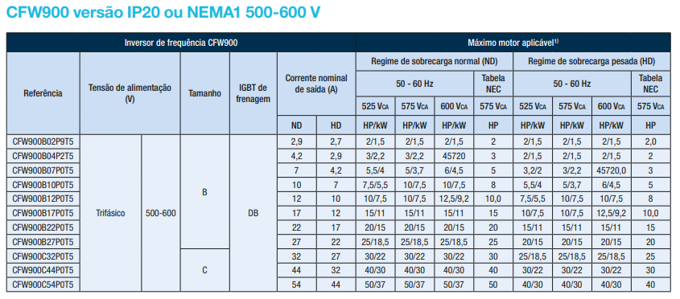
15737615 | INVERSOR CFW900D0124T4NB20Y2 | D | 33,500 | 124 | 440 | F13 | F13 | TRUE
15737504 | INVERSOR CFW900D0124T4DB20Y2 | D | 33,500 | 124 | 440 | F13 | F13 | TRUE
15686534 | INVERSOR CFW900D0135T2DB20Y2B | D | 33,500 | 135 | 220 | F13 | F13 | TRUE
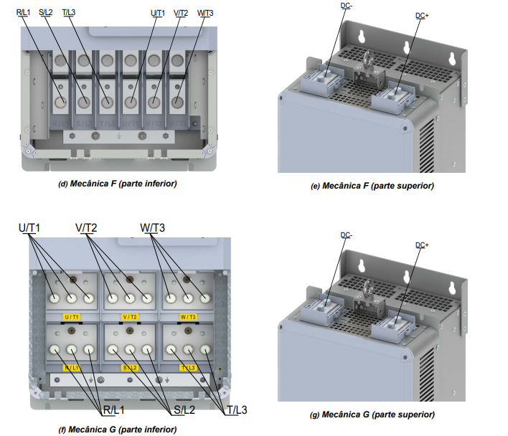
15686715 | INVERSOR CFW900D0135T2NB20Y2B | D | 33,500 | 135 | 220 | F13 | F13 | TRUE
15735653 | INVERSOR CFW900D0135T2DB20Y2 | D | 33,500 | 135 | 220 | F13 | F13 | TRUE
15737609 | INVERSOR CFW900D0135T2NB20Y2 | D | 33,500 | 135 | 220 | F13 | F13 | TRUE
17458690 | INVERSOR CFW900D0146T4NB20Y2B-UI | D | 33,500 | 146 | 440 | F13 | F13 | TRUE
18455102 | INVERSOR CFW900D0146T4NB20Y2B-UI | D | 33,500 | 146 | 440 | F13 | F13 | TRUE
18424637 | INVERSOR CFW900D0146T4DB20Y2B | D | 33,500 | 146 | 440 | F13 | F13 | TRUE
18424718 | INVERSOR CFW900D0146T4NB20Y2B | D | 33,500 | 146 | 440 | F13 | F13 | TRUE
18424720 | INVERSOR CFW900D0146T4DB20Y2 | D | 33,500 | 146 | 440 | F13 | F13 | TRUE
18424722 | INVERSOR CFW900D0146T4NB20Y2 | D | 33,500 | 146 | 440 | F13 | F13 | TRUE
18525932 | INVERSOR CFW900D0146T4NB20Y2BHEC | D | 33,500 | 146 | 440 | F13 | F13 | TRUE
15686709 | INVERSOR CFW900D0146T4DB20Y2B | D | 33,500 | 146 | 440 | F13 | F13 | TRUE
15686790 | INVERSOR CFW900D0146T4NB20Y2B | D | 33,500 | 146 | 440 | F13 | F13 | TRUE
15737679 | INVERSOR CFW900D0146T4NB20Y2 | D | 33,500 | 146 | 440 | F13 | F13 | TRUE
15737506 | INVERSOR CFW900D0146T4DB20Y2 | D | 33,500 | 146 | 440 | F13 | F13 | TRUE
15686535 | INVERSOR CFW900D0150T2DB20Y2B | D | 33,500 | 150 | 220 | F13 | F13 | TRUE
15686716 | INVERSOR CFW900D0150T2NB20Y2B | D | 33,500 | 150 | 220 | F13 | F13 | TRUE
15735654 | INVERSOR CFW900D0150T2DB20Y2 | D | 33,500 | 150 | 220 | F13 | F13 | TRUE
15737611 | INVERSOR CFW900D0150T2NB20Y2 | D | 33,500 | 150 | 220 | F13 | F13 | TRUE
17838422 | INVERSOR CFW900D80P0T6DB20Y2BH1 | D | 36,000 | 80 | 690 | F13 | F13 | TRUE
18413231 | INVERSOR CFW900D80P0T6DB20Y2H1 | D | 36,000 | 80 | 690 | F13 | F13 | TRUE
17839511 | INVERSOR CFW900D80P0T6NB20Y2BH1 | D | 36,000 | 80 | 690 | F13 | F13 | TRUE
18415032 | INVERSOR CFW900D80P0T6NB20Y2H1 | D | 36,000 | 80 | 690 | F13 | F13 | TRUE
17838423 | INVERSOR CFW900D99P0T6DB20Y2BH1 | D | 36,000 | 99 | 690 | F13 | F13 | TRUE
18413736 | INVERSOR CFW900D99P0T6DB20Y2H1 | D | 36,000 | 99 | 690 | F13 | F13 | TRUE
17839512 | INVERSOR CFW900D99P0T6NB20Y2BH1 | D | 36,000 | 99 | 690 | F13 | F13 | TRUE
18415034 | INVERSOR CFW900D99P0T6NB20Y2H1 | D | 36,000 | 99 | 690 | F13 | F13 | TRUE
18169203 | INVERSOR CFW900D0110T2NB20Y2B-UI | D | 59,800 | 110 | 220 | F13 | F13 | TRUE
18169204 | INVERSOR CFW900D0135T2NB20Y2B-UI | D | 59,800 | 135 | 220 | F13 | F13 | TRUE
18169205 | INVERSOR CFW900D0150T2NB20Y2B-UI | D | 59,800 | 150 | 220 | F13 | F13 | TRUE
18433456 | INVERSOR CFW900E0107T6NB20Y2B | E | 63,500 | 107 | 690 | F03 | F03 | TRUE
18433528 | INVERSOR CFW900E0107T6DB20Y2B | E | 63,500 | 107 | 690 | F03 | F03 | TRUE
18434467 | INVERSOR CFW900E0107T6NB20Y2 | E | 63,500 | 107 | 690 | F03 | F03 | TRUE
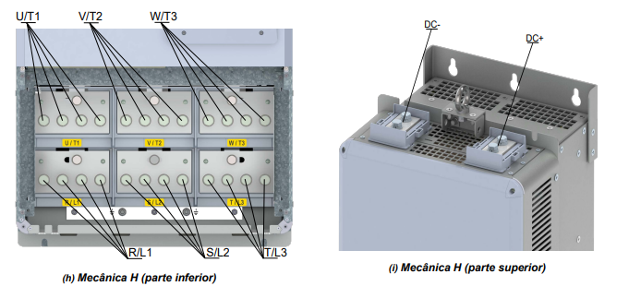
18434601 | INVERSOR CFW900E0107T6DB20Y2 | E | 63,500 | 107 | 690 | F03 | F03 | TRUE
18433628 | INVERSOR CFW900E0130T6NB20Y2B | E | 63,500 | 130 | 690 | F03 | F03 | TRUE
18434602 | INVERSOR CFW900E0130T6NB20Y2 | E | 63,500 | 130 | 690 | F03 | F03 | TRUE
18434605 | INVERSOR CFW900E0130T6DB20Y2 | E | 63,500 | 130 | 690 | F03 | F03 | TRUE
18433633 | INVERSOR CFW900E0130T6DB20Y2B | E | 63,500 | 130 | 690 | F03 | F03 | TRUE
18433635 | INVERSOR CFW900E0150T6NB20Y2B | E | 63,500 | 150 | 690 | F03 | F03 | TRUE
18434378 | INVERSOR CFW900E0150T6DB20Y2B | E | 63,500 | 150 | 690 | F03 | F03 | TRUE
18434663 | INVERSOR CFW900E0150T6NB20Y2 | E | 63,500 | 150 | 690 | F03 | F03 | TRUE
18434805 | INVERSOR CFW900E0150T6DB20Y2 | E | 63,500 | 150 | 690 | F03 | F03 | TRUE
17458692 | INVERSOR CFW900E0172T4NB20Y2B-UI | E | 63,500 | 172 | 440 | F03 | F03 | TRUE
18424778 | INVERSOR CFW900E0172T4DB20Y2B | E | 63,500 | 172 | 440 | F03 | F03 | TRUE
18424780 | INVERSOR CFW900E0172T4NB20Y2B | E | 63,500 | 172 | 440 | F03 | F03 | TRUE
18424782 | INVERSOR CFW900E0172T4DB20Y2 | E | 63,500 | 172 | 440 | F03 | F03 | TRUE
18424784 | INVERSOR CFW900E0172T4NB20Y2 | E | 63,500 | 172 | 440 | F03 | F03 | TRUE
18455103 | INVERSOR CFW900E0172T4NB20Y2B-UI | E | 63,500 | 172 | 440 | F03 | F03 | TRUE
18539545 | INVERSOR CFW900E0172T4NB20Y2BHEC | E | 63,500 | 172 | 440 | F03 | F03 | TRUE
19097004 | INVERSOR CFW900E0172T2NB20Y2BHEC | E | 63,500 | 172 | 220 | F03 | F03 | TRUE
19108550 | INVERSOR CFW900E0172T2NB20Y2BHEC-UI | E | 63,500 | 172 | 220 | F03 | F03 | TRUE
15697032 | INVERSOR CFW900E0172T4DB20Y2B | E | 63,500 | 172 | 440 | F03 | F03 | TRUE
15697033 | INVERSOR CFW900E0172T4NB20Y2B | E | 63,500 | 172 | 440 | F03 | F03 | TRUE
15697028 | INVERSOR CFW900E0172T2NB20Y2B | E | 63,500 | 172 | 220 | F03 | F03 | TRUE
15696834 | INVERSOR CFW900E0172T2DB20Y2B | E | 63,500 | 172 | 220 | F03 | F03 | TRUE
15737686 | INVERSOR CFW900E0172T2DB20Y2 | E | 63,500 | 172 | 220 | F03 | F03 | TRUE
15737832 | INVERSOR CFW900E0172T2NB20Y2 | E | 63,500 | 172 | 220 | F03 | F03 | TRUE
15737735 | INVERSOR CFW900E0172T4DB20Y2 | E | 63,500 | 172 | 440 | F03 | F03 | TRUE
15737888 | INVERSOR CFW900E0172T4NB20Y2 | E | 63,500 | 172 | 440 | F03 | F03 | TRUE
18434380 | INVERSOR CFW900E0176T6NB20Y2B | E | 63,500 | 176 | 690 | F03 | F03 | TRUE
18434381 | INVERSOR CFW900E0176T6DB20Y2B | E | 63,500 | 176 | 690 | F03 | F03 | TRUE
18434914 | INVERSOR CFW900E0176T6NB20Y2 | E | 63,500 | 176 | 690 | F03 | F03 | TRUE
18435073 | INVERSOR CFW900E0176T6DB20Y2 | E | 63,500 | 176 | 690 | F03 | F03 | TRUE
18434461 | INVERSOR CFW900E0192T6NB20Y2B | E | 63,500 | 192 | 690 | F03 | F03 | TRUE
18434464 | INVERSOR CFW900E0192T6DB20Y2B | E | 63,500 | 192 | 690 | F03 | F03 | TRUE
18435076 | INVERSOR CFW900E0192T6NB20Y2 | E | 63,500 | 192 | 690 | F03 | F03 | TRUE
18435161 | INVERSOR CFW900E0192T6DB20Y2 | E | 63,500 | 192 | 690 | F03 | F03 | TRUE
15005875 | INVERSOR CFW900E0195T2DB20Y2B | E | 63,500 | 195 | 220 | F03 | F03 | TRUE
15028874 | INVERSOR CFW900E0195T2NB20Y2B | E | 63,500 | 195 | 220 | F03 | F03 | TRUE
15737731 | INVERSOR CFW900E0195T2DB20Y2 | E | 63,500 | 195 | 220 | F03 | F03 | TRUE
15737835 | INVERSOR CFW900E0195T2NB20Y2 | E | 63,500 | 195 | 220 | F03 | F03 | TRUE
17458694 | INVERSOR CFW900E0203T4NB20Y2B-UI | E | 63,500 | 203 | 440 | F03 | F03 | TRUE
18424822 | INVERSOR CFW900E0203T4DB20Y2B | E | 63,500 | 203 | 440 | F03 | F03 | TRUE
18424823 | INVERSOR CFW900E0203T4NB20Y2B | E | 63,500 | 203 | 440 | F03 | F03 | TRUE
18424824 | INVERSOR CFW900E0203T4DB20Y2 | E | 63,500 | 203 | 440 | F03 | F03 | TRUE
18424825 | INVERSOR CFW900E0203T4NB20Y2 | E | 63,500 | 203 | 440 | F03 | F03 | TRUE
18455104 | INVERSOR CFW900E0203T4NB20Y2B-UI | E | 63,500 | 203 | 440 | F03 | F03 | TRUE
19082154 | INVERSOR CFW900E0203T4NB20Y2BHEC | E | 63,500 | 203 | 440 | F03 | F03 | TRUE
15006082 | INVERSOR CFW900E0203T4DB20Y2B | E | 63,500 | 203 | 440 | F03 | F03 | TRUE
15028922 | INVERSOR CFW900E0203T4NB20Y2B | E | 63,500 | 203 | 440 | F03 | F03 | TRUE
15737737 | INVERSOR CFW900E0203T4DB20Y2 | E | 63,500 | 203 | 440 | F03 | F03 | TRUE
15737889 | INVERSOR CFW900E0203T4NB20Y2 | E | 63,500 | 203 | 440 | F03 | F03 | TRUE
17458696 | INVERSOR CFW900E0242T4NB20Y2B-UI | E | 63,500 | 242 | 440 | F03 | F03 | TRUE
18424827 | INVERSOR CFW900E0242T4DB20Y2B | E | 63,500 | 242 | 440 | F03 | F03 | TRUE
18424938 | INVERSOR CFW900E0242T4NB20Y2B | E | 63,500 | 242 | 440 | F03 | F03 | TRUE
18424940 | INVERSOR CFW900E0242T4DB20Y2 | E | 63,500 | 242 | 440 | F03 | F03 | TRUE
18424943 | INVERSOR CFW900E0242T4NB20Y2 | E | 63,500 | 242 | 440 | F03 | F03 | TRUE
18425554 | INVERSOR CFW900E0242T4DB21Y2B | E | 63,500 | 242 | 440 | F03 | F03 | TRUE
18455105 | INVERSOR CFW900E0242T4NB20Y2B-UI | E | 63,500 | 242 | 440 | F03 | F03 | TRUE
18543139 | INVERSOR CFW900E0242T4NB20Y2BHEC | E | 63,500 | 242 | 440 | F03 | F03 | TRUE
15006109 | INVERSOR CFW900E0242T4DB20Y2B | E | 63,500 | 242 | 440 | F03 | F03 | TRUE
15028939 | INVERSOR CFW900E0242T4NB20Y2B | E | 63,500 | 242 | 440 | F03 | F03 | TRUE
15737891 | INVERSOR CFW900E0242T4NB20Y2 | E | 63,500 | 242 | 440 | F03 | F03 | TRUE
15737831 | INVERSOR CFW900E0242T4DB20Y2 | E | 63,500 | 242 | 440 | F03 | F03 | TRUE
15697212 | INVERSOR CFW900E0242T4DB21Y2B | E | 63,500 | 242 | 440 | F03 | F03 | TRUE
18690910 | INVERSOR CFW900E0250T2NB20Y2BHEC | E | 63,500 | 250 | 220 | F03 | F03 | TRUE
15006038 | INVERSOR CFW900E0250T2DB20Y2B | E | 63,500 | 250 | 220 | F03 | F03 | TRUE
15028918 | INVERSOR CFW900E0250T2NB20Y2B | E | 63,500 | 250 | 220 | F03 | F03 | TRUE
15737734 | INVERSOR CFW900E0250T2DB20Y2 | E | 63,500 | 250 | 220 | F03 | F03 | TRUE
15737837 | INVERSOR CFW900E0250T2NB20Y2 | E | 63,500 | 250 | 220 | F03 | F03 | TRUE
18169206 | INVERSOR CFW900E0172T2NB20Y2B-UI | E | 94,000 | 172 | 220 | F03 | F03 | TRUE
18169207 | INVERSOR CFW900E0195T2NB20Y2B-UI | E | 94,000 | 195 | 220 | F03 | F03 | TRUE
18169528 | INVERSOR CFW900E0250T2NB20Y2B-UI | E | 94,000 | 250 | 220 | F03 | F03 | TRUE

